SubjectDetails
Dr. D.Y. Patil Educational Federation's
Dr. D. Y. Patil Institute of Management and Entreprenuer Development, Varale, Pune
(Permanently affiliated to Savitribai Phule Pune University, Accredited by NAAC 'A'
Approved by AICTE, Recognized under 2 (f) & 12 (b) sections of UGC Act)

Name of the faculty: | Narsareddy Chude, Sonali Late
Designation: | Assistant Professor
Subject & Code: | Java Programming
Type of Course: | Subject Core
Class & A.Y.: | MCA I SEM I AY 2023-24
Specialization:

 | % | Marks
Internal Assessment Weightage | 34% | 25
External Assessment Weightage | 66% | 50
 |  |  | Narsareddy Chude, Sonali Late
Direct Assessment Weightage | 80% |  | Subject Faculty
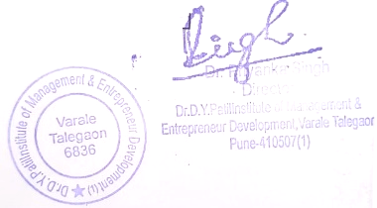
Indirect Assessment Weightage | 20%

Dr. Ravi Chourasiya |  |  | Dr. Ashwini Chavan | Dr. Priyanka Singh
(College Examination Officer) |  |  | HOD (MCA) | Director

Rubrics
Dr. D.Y. Patil Educational Federation's
Dr. D. Y. Patil Institute of Management and Entreprenuer Development, Varale, Pune
(Permanently affiliated to Savitribai Phule Pune University, Accredited by NAAC 'A'
Approved by AICTE, Recognized under 2 (f) & 12 (b) sections of UGC Act)
Faculty Name: Narsareddy Chude, Sonali Late
Subject Name & Code: Java Programming
Class: MCA I SEM I AY 2023-24

Rubrics
Criteria | Excellent (100%) |  | Good (80%) | Satisfactory (60%) | Needs Improvement (<60%)
Understanding of Concepts | Demonstrates in-depth understanding of accounting principles |  | Shows solid understanding with minor gaps | Basic understanding; lacks depth | Limited or incorrect understanding
Application of Tools | Applies appropriate accounting tools and ratios with precision |  | Mostly accurate application of tools | Some errors in applying tools | Incorrect or missing tools
Interpretation & Decision-Making | Insightful interpretation leading to strong recommendations |  | Good interpretation and relevant decisions | Somewhat relevant conclusions | Weak or unsupported decisions
Structure & Clarity | Well-structured and clearly articulated |  | Generally clear with minor issues | Some structural issues | Poorly organized and unclear
References & Format | Proper citations and professional format |  | Minor errors in format | Inconsistent or limited referencing | Lacks proper citations and format

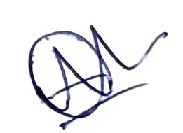
Narsareddy Chude, Sonali Late
Subject Faculty

Dr. Ravi Chourasiya |  | Dr. Ashwini Chavan |  | Dr. Priyanka Singh
(College Examination Officer) |  | HOD (MCA) |  | Director

